Sheet1
Commission Statement For IB(By Branch)

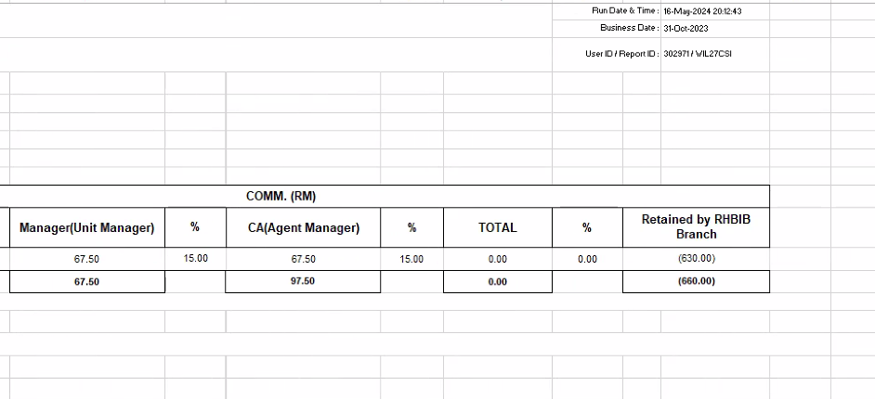
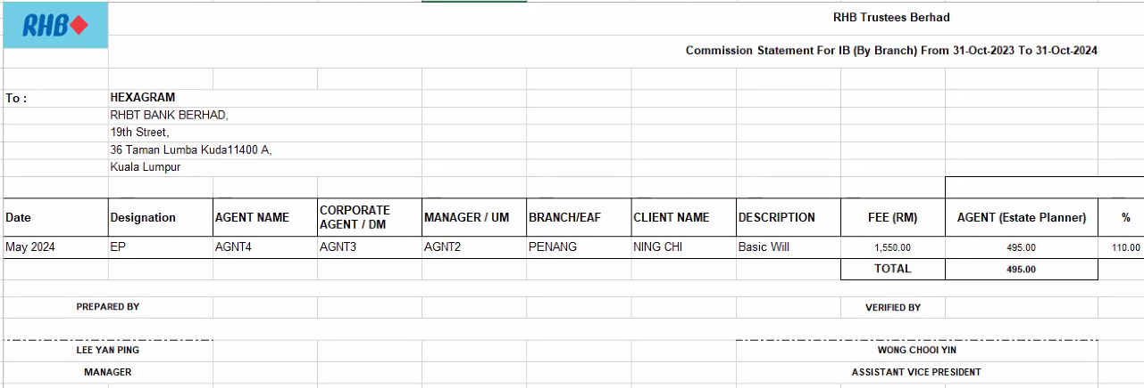

 |  |  |  |  |  | -630

 |  |  |  | Agency Commission Amount | Agency Commission Percent

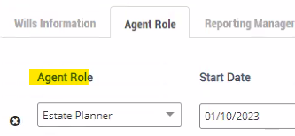
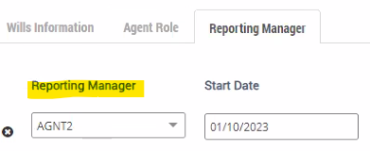
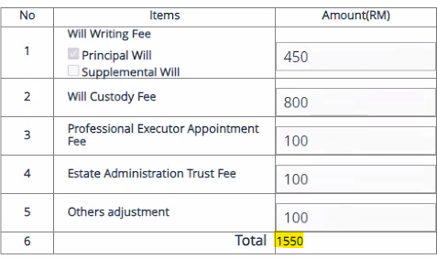
Agent Role | Unit Manager | Agency Manager
 |  |  | EP total Commission and total percent

 |  |  | UM total Commission and total percent

